hierarchy chart
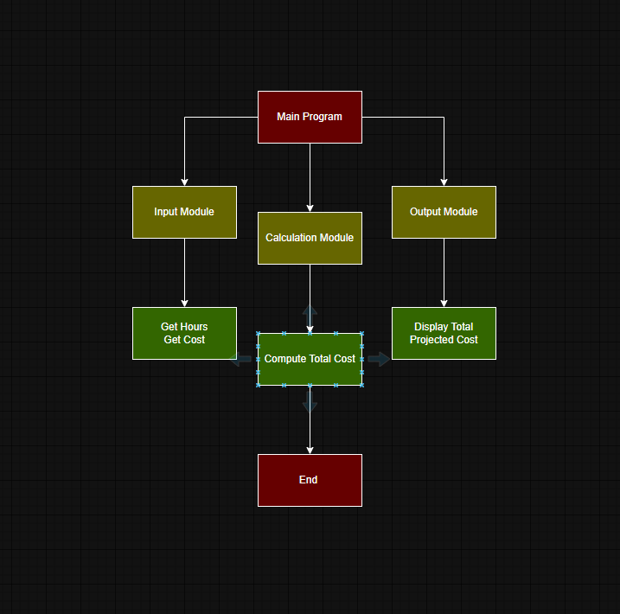

Calculating Total Cost
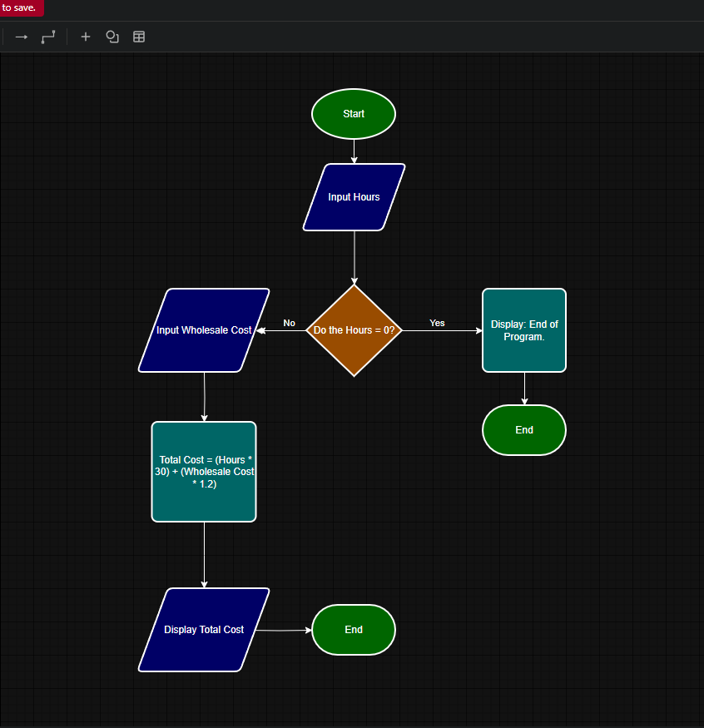
Calculating total cost of labor and materials

